14-16.Quantity&packaging info
14.Quantity Attributes
 | Unit (g) | Case (kg)
Unit Drained Weight (If Product contains liquid) | N/A | N/A
Net Weight | 237g | 5.64
Gross Weight | 6g | 6.2
Is the product packed in a Protective atmosphere? (if yes, indicate the composition on gases used if applicable) |  |  |  | No
Is the product vacuum packed? |  |  |  | No
Primary Package Plastic Material Comply with Commission Regulation (EU) No 10/2011 |  |  |  | Yes
15.Packaging Weight Dimensions
 | Description/Color | Materials *please indicate the plastic material from below 01-07 | Weight (g) | Dimensions (mm)

Primary： | Product packaging | PE/PAPER/PE/AL/PET/PE | 14 | L | 50
 |  |  |  | W | 50
 |  |  |  | H | 120
Secondary: | Outer packaging/brown | Cardboard box. | 305 | L | 315
 |  |  |  | W | 220
 |  |  |  | H | 148
Tertiary: | CAP/SPOUT | PP/LDPE | 1 | L
 |  |  |  | W
 |  |  |  | H

16.Pallet Configuration
 | JP Pallet Configuration (1.1m x 1.1m) | EU Pallet Configuration (0.8m x 1.2m) | UK Pallet Configuration (1m x 1.2m)
Cases per layer | 16 | 12 | 16 |  |  | 3168
Number of layers | 10 | 11 | 10
Cases/pallet | 160 | 132 | 160
Pallet height (m) | 1.48 | 1.628 | 1.48
Pallet weight (kg) | 992.0 | 818.4 | 992.0
20FCL Max Load without palletized | 2535
40FCL Max Load without palletized | 4358
Pallet Top-View | 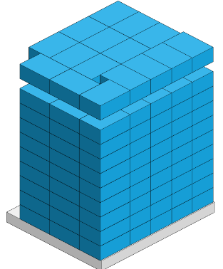 | 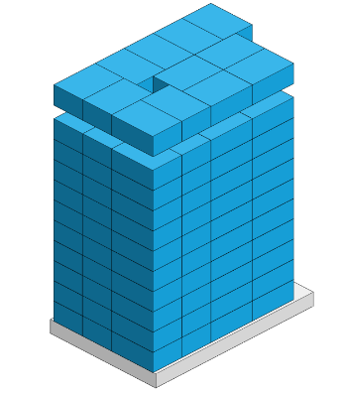
 | *pallet height must lower than 1.75m & weight under 1000kg

17-20.HACCP,Artwork&SpecAuthor.
17.Process Flow Chart- (showing all CCPs)
Please provide in the form a Critical Control Point (CCP), a description of the process/packing operations including processing times tempuratures where applicable and in process Safery Control Checks (CCP Summary) and Quality Checks.
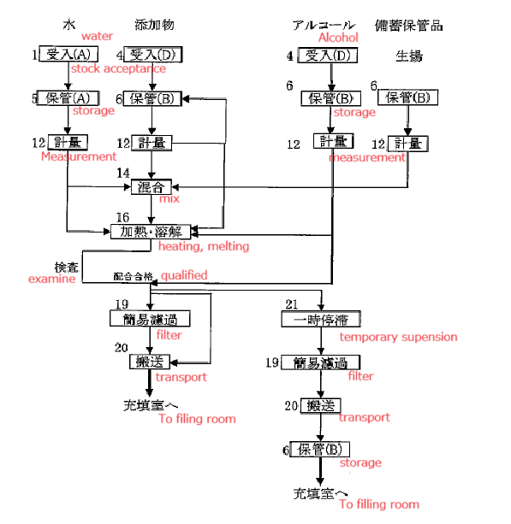 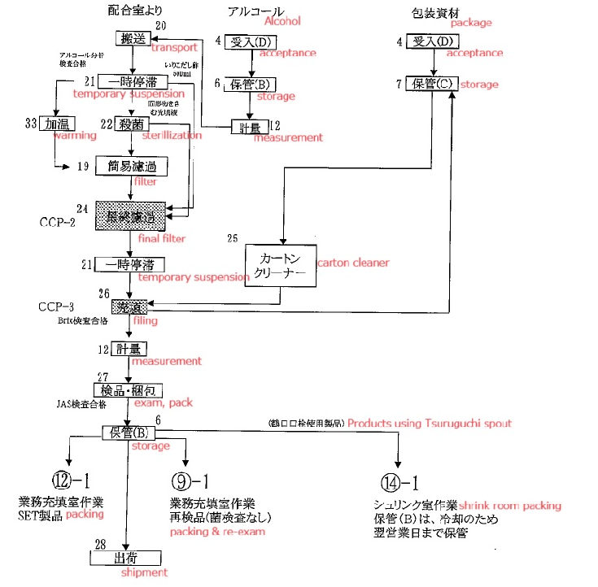

18.Critical Control Points
CCP | Control Measure |  | Critical Limit | Monitoring Frequency
Final filtration process | Go through strainer |  | All liquid go through settled strainer correctly. Strainer:100mesh (machine no.1,2 / 30mesh (machine no.3) | Before filling
Final filtration process | Go through strainer |  | No damage with the strainer | Before and after filling
Filling process | Liquid temperature in hopper tank |  | 75C (machine no.1,2) /77C (machine no.3) | Every 30 minutes
Filling process | Liquid temperature in hopper tank after re-start filling by sudden stop |  | 75C (machine no.1,2) /77C (machine no.3) | At re-start
Filling process | Liquid temperature in hopper tank before re-start filling by sudden stop |  | 77C (machine no.1,2) /79C (machine no.3) | At re-start
Filling process | Reject products (11 packs @ no.1,2 /15 packs @ no.3) |  | Reject incorrect temperature products. | At re-start
19.Artwork
Inner Label / Package Design artwork |  | Outer Label / Package Design artwork
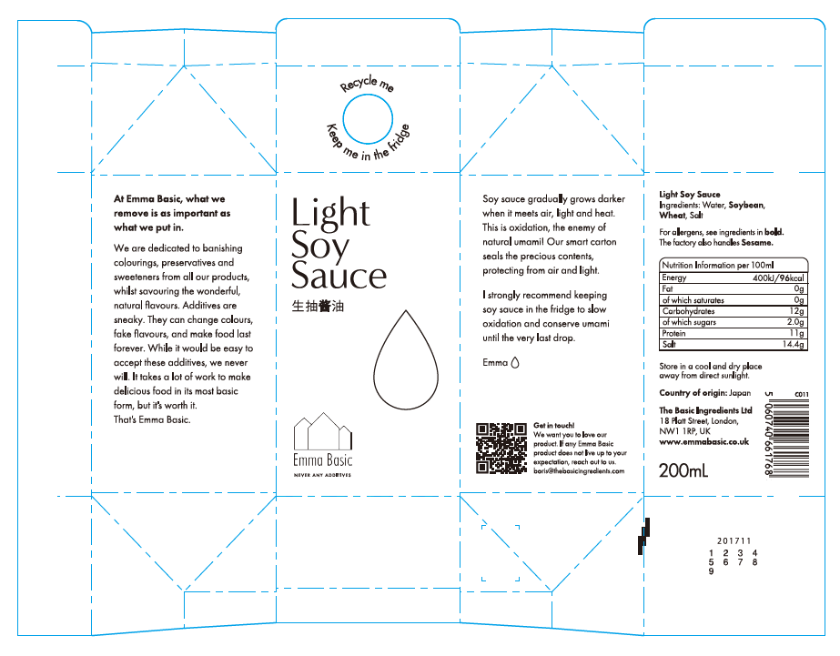 |  | 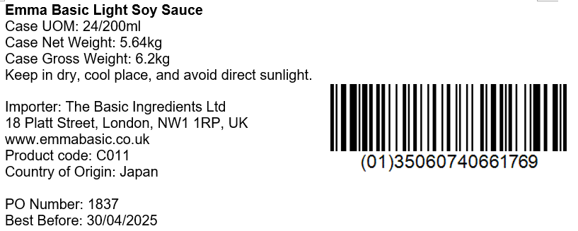

20.Packaging Photos
Finished Product with Primary package | Outer Case (Secondary) |  | Tertiary
 | 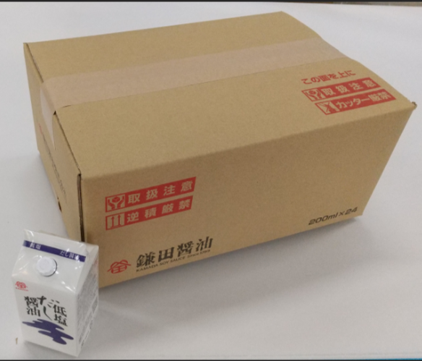 |  | N/A
Specification Authorization
1.Product to be supplied in accordance with this agreed specification. No changes are to be made without prior knowledge and prior written agreement of The Basic Ingredients Ltd technical department. 2.The contents of this specification are confidential and should not be disclosed to a third party without a written approval of The Basic Ingredients Ltd technical department.
Manufacturer Name | KAMADA SOY SAUCE Inc.
Signature | AIHARA TAKUYA
Print Name | AIHARA TAKUYA
Position in Company | Overseas sales representative
Date | 2023-05-10

For and on behalf of The Basic Ingredients Ltd:
Signature
Print Name | Nancy Deng
Position in Company | Technical Account Manager
Date | 2024-05-23

For and on behalf of Customer:
Signature
Print Name
Position in Company
Date

USP & content verification
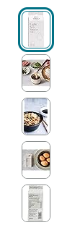
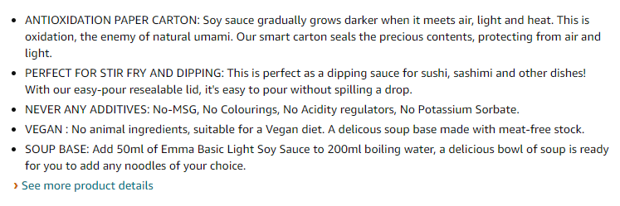
 | Requirement | Content | In conformity with requirement ? Name & verification date
Title | Comply with the complete title : Brand name +Product name+ 3 key words | Emma Basic - Light Soy Sauce 200ml | Stir Fry | Marinating | Vegan | Dipping | Made in Japan | Yes, Emma 13 July 2024
USP No 1 | Match with approved spec | ANTIOXIDATION PAPER CARTON: Soy sauce gradually grows darker when it meets air, light and heat. This is oxidation, the enemy of natural umami. Our smart carton seals the precious contents, protecting from air and light. | Yes, Emma 18 July 2024
USP No 2 | Match with approved spec | PERFECT FOR STIR FRY AND DIPPING: This is perfect as a dipping sauce for sushi, sashimi and other dishes! With our easy-pour resealable lid, it's easy to pour without spilling a drop. | Yes, Emma 18 July 2024
USP No 3 | Match with approved spec | NEVER ANY ADDITIVES: No-MSG, No Colourings, No Acidity regulators, No Potassium Sorbate. | Yes, Emma 18 July 2024
USP No 4 | Match with approved spec | SOUP BASE: Add 50ml of Emma Basic Light Soy Sauce to 200ml boiling water, a delicious bowl of soup is ready for you to add any noodles of your choice. | Yes, Emma 18 July 2024
USP No 5 | Match with approved spec | KEEP ME IN THE FRIDGE : While soy sauce is typically stored in the cupboard, refrigerating it delays oxidation, ensuring its delicious taste lasts longer. | Yes, Emma 18 July 2024
Product Image | Hero front + Hero back + serving 1, 2, 3 + video 360 |  | No, video 360 missing
Technical Details | Ingredients, Nutrition , Allergen match with declared food label

